definition & dose requirements
Vaccine definition and dose requirements:

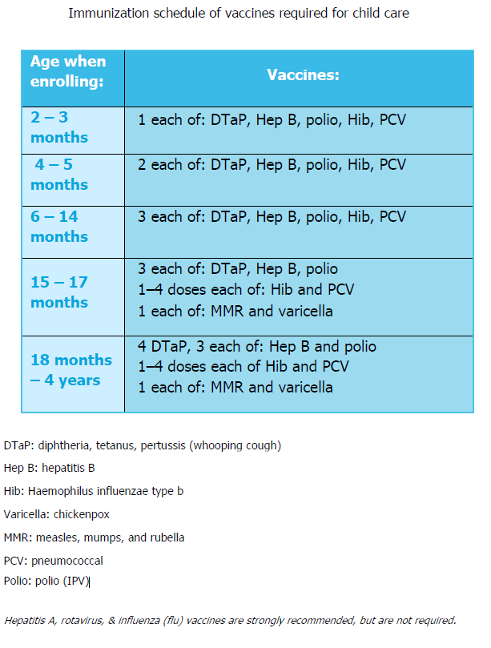

VERMONT DEPARTMENT OF HEALTH
IMMUNIZATION PROGRAM
http://www.healthvermont.gov/disease-control/immunization/vaccination-coverage

